BOM
Item | Part Number | Thumbnail | QTY | Stock Number | Description | REV
1 | SmallBelt_Pulley | 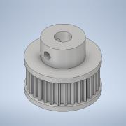 | 1
2 | Bolt M3 30mm | 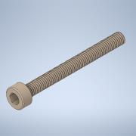 | 1
3 | small_belt_loop | 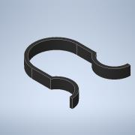 | 1
4 | Main | 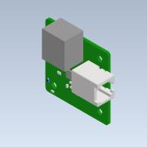 | 1 |  | Open CASCADE Model
5 | PND_CAM_MSRE | 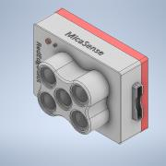 | 1
6 | Buffer | 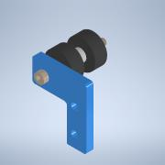 | 1
7 | X_CarriageR_V2_0 | 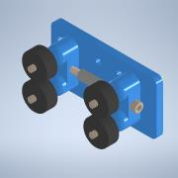 | 1
8 | X_Carriage_V2_1 | 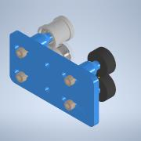 | 1
9 | 20-2040_200mm | 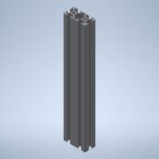 | 2
10 | X_Carriage_V2_0 | 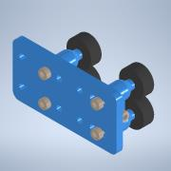 | 1
11 | X_CarriageR_V2_1 | 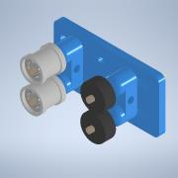 | 1
12 | 10mm_Idle_Pulley_3M | 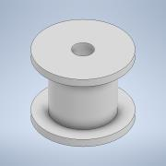 | 2
13 | 95947A725_Aluminum Female Threaded Hex Standoff | 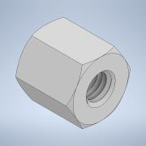 | 8 |  | STEP AP203 | ANY
14 | NEMA17 x 40 | 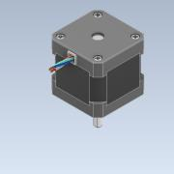 | 1 |  | FreeCAD Model
15 | NEMA17_Shroud | 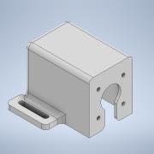 | 1
16 | RightAngle_Bracket | 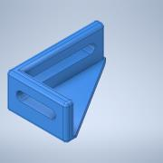 | 2
17 | 59145_Actuator | 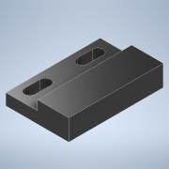 | 1
18 | MagnetHolder | 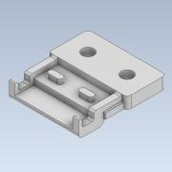 | 1
19 | CableChain_Mount | 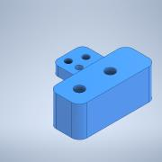 | 1
20 | Buffer_L | 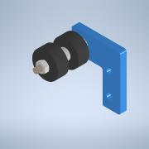 | 1
21 | Camera_Mount | 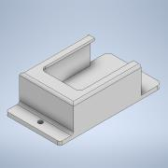 | 1
22 | SpacerBlock_25mm | 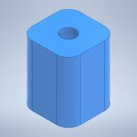 | 2
23 | 121-11-22(FPGA-RJ45_C-Frontpl-18,1_ER-11,7) | 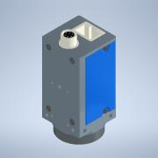 | 1 |  | XXXXplatte
24 | Camera_Mount_DFK33GP006 | 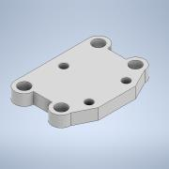 | 1
25 | Tamron_M118M06 | 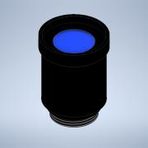 | 1
26 | DIN 508, T-Slot Nut M5 | 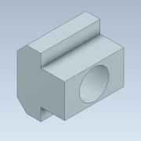 | 32
27 | Bolt M5 10mm | 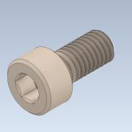 | 30
28 | Bolt M5 25mm | 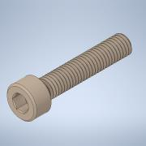 | 2
29 | Bolt M5 30mm | 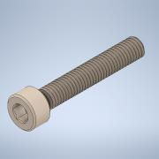 | 2
30 | Bolt M5 20mm | 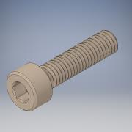 | 4
31 | Nut M5 | 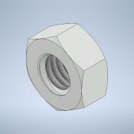 | 4
32 | Bolt M3 50mm | 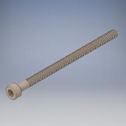 | 4
33 | M3_10mmSpacer | 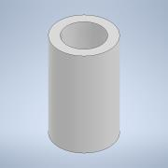 | 4

